Sheet1
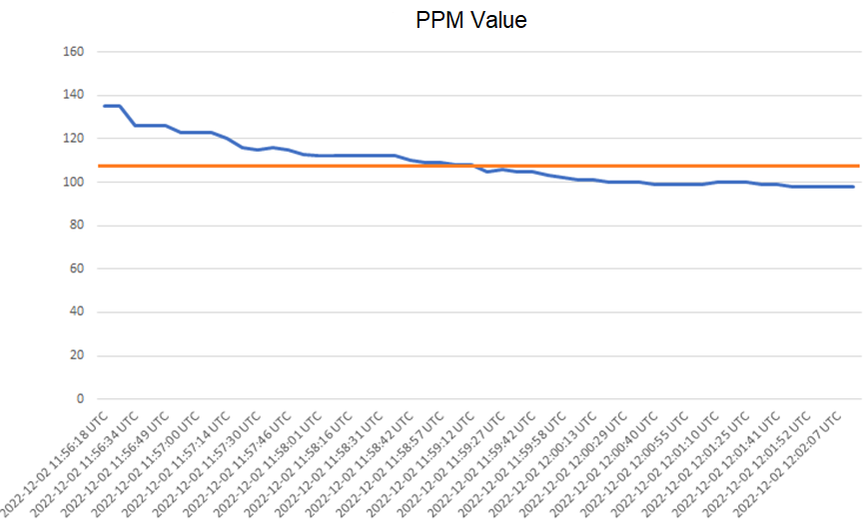
created_at | value | value after *2
2022-12-02 11:56:18 UTC | 135 | 18,225
2022-12-02 11:56:26 UTC | 135 | 18,225
2022-12-02 11:56:34 UTC | 126 | 15,876
2022-12-02 11:56:41 UTC | 126 | 15,876
2022-12-02 11:56:49 UTC | 126 | 15,876
2022-12-02 11:56:52 UTC | 123 | 15,129
2022-12-02 11:57:00 UTC | 123 | 15,129
2022-12-02 11:57:07 UTC | 123 | 15,129
2022-12-02 11:57:14 UTC | 120 | 14,400
2022-12-02 11:57:22 UTC | 116 | 13,456
2022-12-02 11:57:30 UTC | 115 | 13,225
2022-12-02 11:57:38 UTC | 116 | 13,456
2022-12-02 11:57:46 UTC | 115 | 13,225
RMS = 108.8
2022-12-02 11:57:53 UTC | 113 | 12,769
2022-12-02 11:58:01 UTC | 112 | 12,544
2022-12-02 11:58:08 UTC | 112 | 12,544
2022-12-02 11:58:16 UTC | 112 | 12,544
2022-12-02 11:58:24 UTC | 112 | 12,544
2022-12-02 11:58:31 UTC | 112 | 12,544
2022-12-02 11:58:39 UTC | 112 | 12,544
2022-12-02 11:58:42 UTC | 110 | 12,100
2022-12-02 11:58:49 UTC | 109 | 11,881
2022-12-02 11:58:57 UTC | 109 | 11,881
2022-12-02 11:59:04 UTC | 108 | 11,664
2022-12-02 11:59:12 UTC | 108 | 11,664
2022-12-02 11:59:20 UTC | 105 | 11,025
2022-12-02 11:59:27 UTC | 106 | 11,236
2022-12-02 11:59:35 UTC | 105 | 11,025
2022-12-02 11:59:42 UTC | 105 | 11,025
2022-12-02 11:59:50 UTC | 103 | 10,609
2022-12-02 11:59:58 UTC | 102 | 10,404
2022-12-02 12:00:05 UTC | 101 | 10,201
2022-12-02 12:00:13 UTC | 101 | 10,201
2022-12-02 12:00:21 UTC | 100 | 10,000
2022-12-02 12:00:29 UTC | 100 | 10,000
2022-12-02 12:00:32 UTC | 100 | 10,000
2022-12-02 12:00:40 UTC | 99 | 9,801
2022-12-02 12:00:48 UTC | 99 | 9,801
2022-12-02 12:00:55 UTC | 99 | 9,801
2022-12-02 12:01:03 UTC | 99 | 9,801
2022-12-02 12:01:10 UTC | 100 | 10,000
2022-12-02 12:01:18 UTC | 100 | 10,000
2022-12-02 12:01:25 UTC | 100 | 10,000
2022-12-02 12:01:33 UTC | 99 | 9,801
2022-12-02 12:01:41 UTC | 99 | 9,801
2022-12-02 12:01:44 UTC | 98 | 9,604
2022-12-02 12:01:52 UTC | 98 | 9,604
2022-12-02 12:01:59 UTC | 98 | 9,604
2022-12-02 12:02:07 UTC | 98 | 9,604
2022-12-02 12:02:14 UTC | 98 | 9,604
SUM | 5440 | 29,593,600
AVERAGE | 108.8 | 11,837.44
Root Means Square | 10.43 | 108.8

